Source-Map
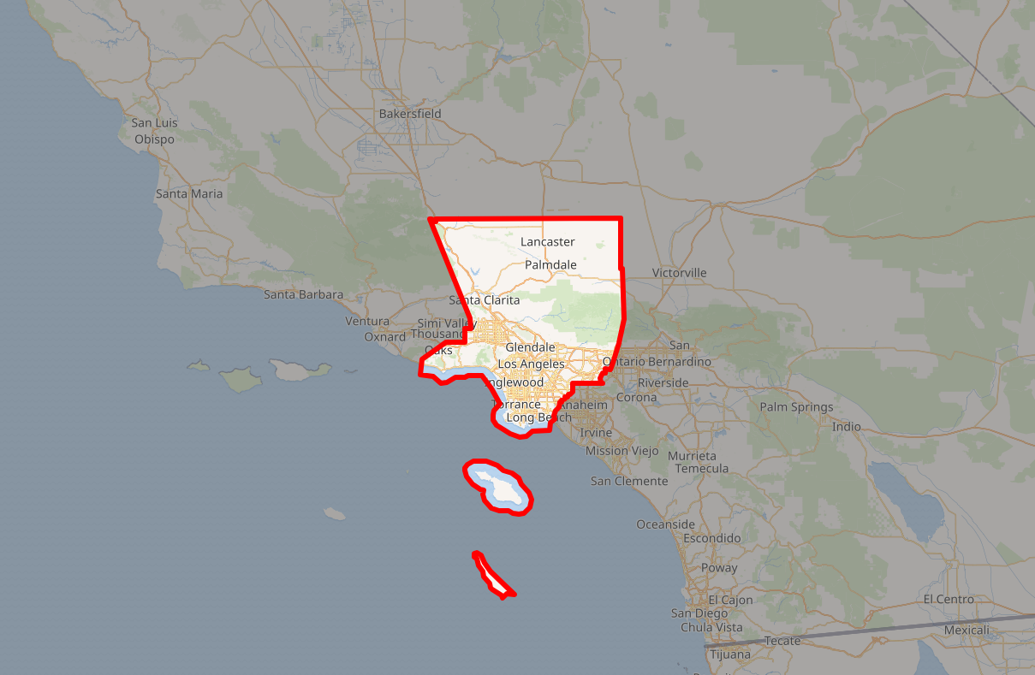
https://en.wikipedia.org/wiki/Los_Angeles_County,_California

